MAIN
COMPANY COMPARABLE ANALYSIS
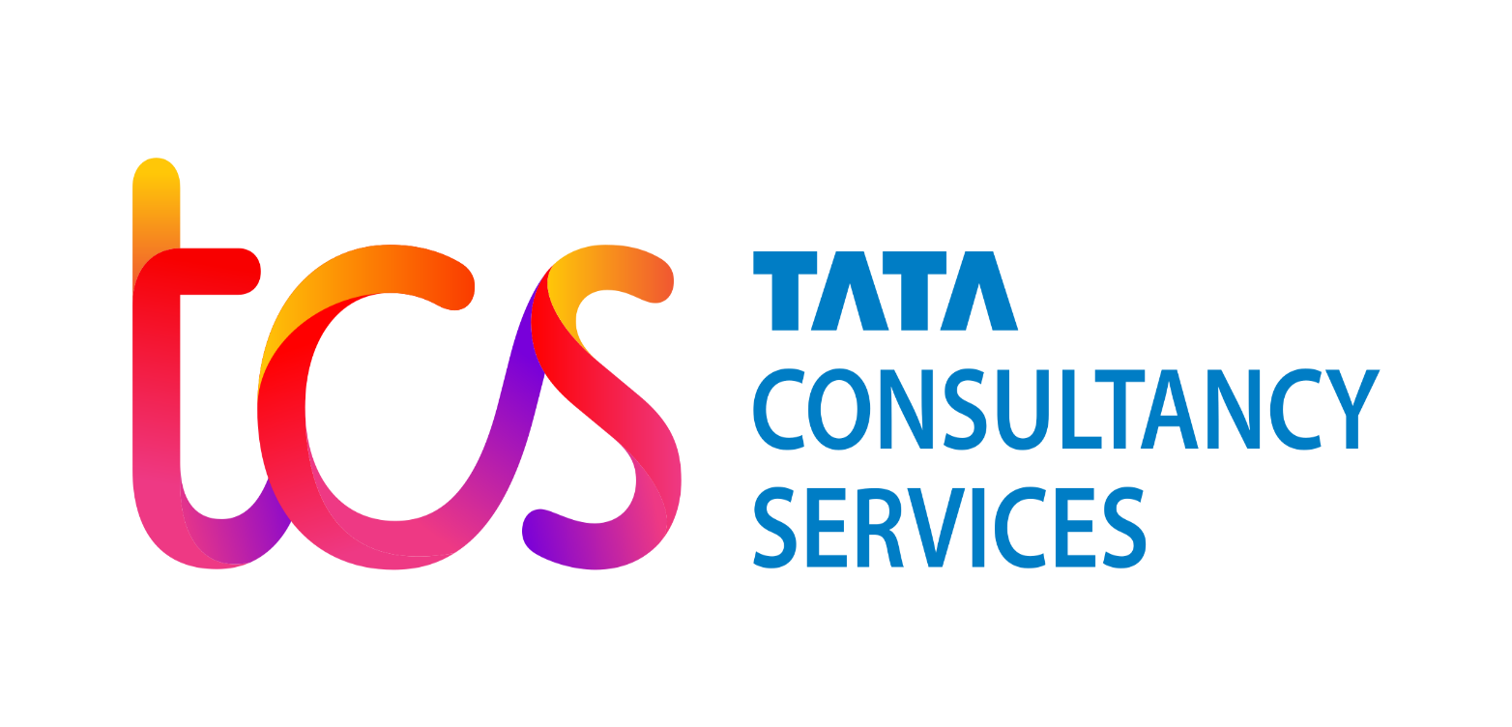

TATA CONSULTANCY SERVICES
BSE: 532540|NSE: TCS
Current Market Price: INR 3883.75
52 WEEK (HIGH: INR 3965|LOW: 3070)

